Sheet1
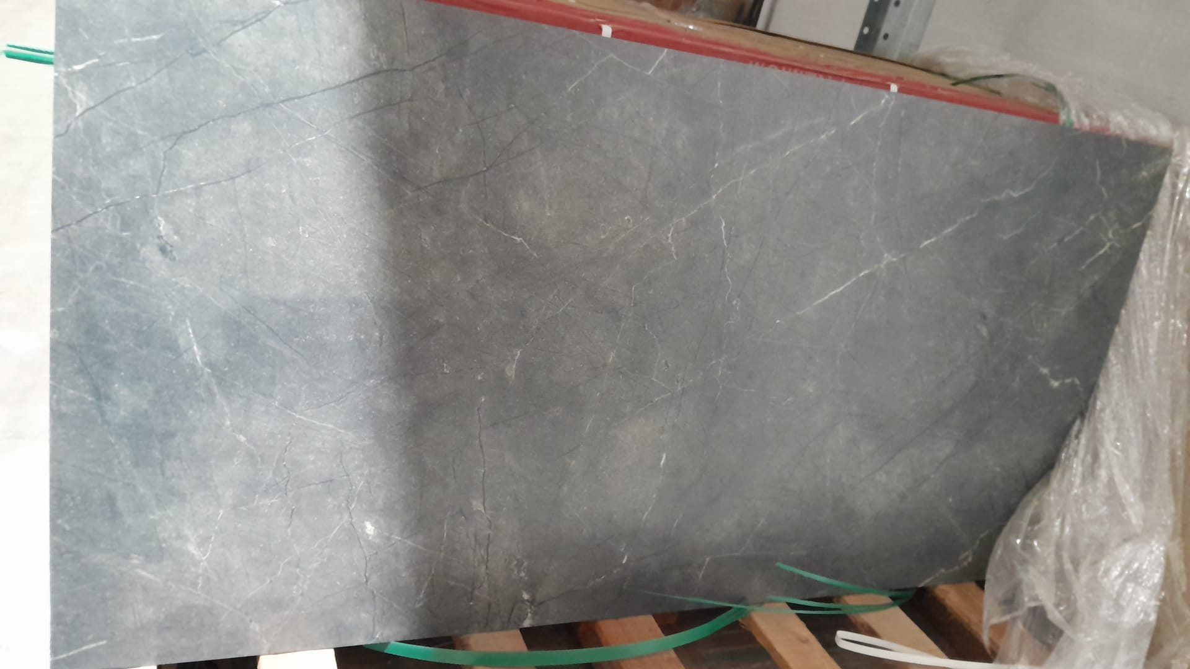
SKU | Name | Pieces | Pallets | Stock M2
SS1ARMGRE60120P | Armani Grey Porcelain Polished 60x120 | 0 | 0.0 | 0
SS1AVAGRE60120C | Avalon Grey Porcelain Carving 60x120 | 387 | 6.5 | 278.64
SS1AVANER60120C | Avalon Nero Porcelain Carving 60x120 | 81 | 1.4 | 58.32
SS1CALBIA60120P | Callis Bianco Porcelain Polished 60x120 | 489 | 8.2 | 352.08
SS1CALBIA60120VCM | Callis Bianco Porcelain VC Matt 60x120 | 478 | 8.0 | 344.16
SS1CALLDAR60120P | Callis Dark Grey Porcelain Polished 60x120 | 609 | 10.2 | 438.48
SS1CALLDAR60120VCM | Callis Dark Grey Porcelain VC Matt 60x120 | 141 | 2.4 | 101.52
SS1CALLIG60120P | Callis Light Grey Porcelain Polished 60x120 | 716 | 11.9 | 515.52
SS1CALLIG60120VCM | Callis Light Grey Porcelain VC Matt 60x120 | 394 | 6.6 | 283.68
SS1GRAMUL60120C | Grao Multi Porcelain Carving 60x120 | 155 | 2.6 | 111.6
SS1LASWHI60120P | Lasa White Porcelain Polished 60x120 | 60 | 1.0 | 43.2
SS1LISBEI60120M | Liston Beige Porcelain Matt 60x120 | 312 | 5.2 | 224.64
SS1LISDAR60120M | Liston Dark Grey Porcelain Matt 60x120 | 125 | 2.1 | 90
SS1LISLIG60120M | Liston Light Grey Porcelain Matt 60x120 | 229 | 3.8 | 164.88
SS1NATCRE60120P | Nativa Crema Porcelain Polished 60x120 | 100 | 1.7 | 72
SS1NATPIN60120P | Nativa Pink Porcelain Polished 60x120 | 1 | 0.0 | 0.72
SS1STAWHI60120P | Statuario White Porcelain Polished 60x120 | 0 | 0.0 | 0
SS1STAWHI60120VCM | Statuario White Porcelain VC Matt 60x120 | 182 | 3.0 | 131.04
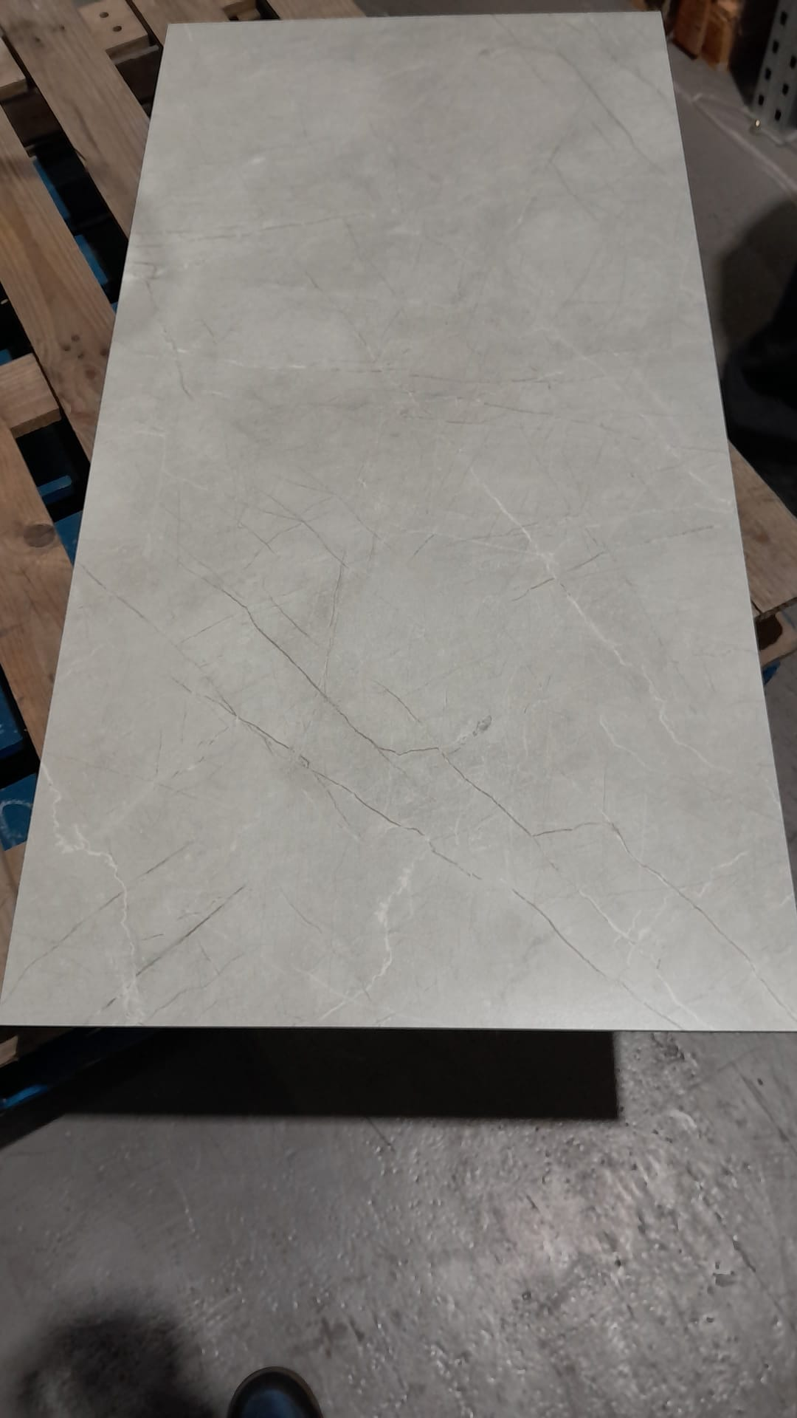
SS1TANGOL60120P | Tanami Gold Porcelain Polished 60x120 | 0 | 0.0 | 0
SS1TANGOL60120VCM | Tanami Gold Porcelain VC Matt 60x120 | 51 | 0.9 | 36.72
2666-RK90-04-10 40N7 | Villeroy & Boch Casual Anthracite Porcelain Matt 60x60 (R9) | 120 | 1.0 | 43.2
2666-RK10-04-10 50E7 | Villeroy & Boch Casual Creme Porcelain Matt 60x60 (R9) | 128 | 1.0 | 43.2
2666-RK70-04-10 50K7 | Villeroy & Boch Casual Greige Porcelain Matt 60x60 (R9) | 120 | 1.0 | 43.2
2666-RK60-04-10 45G7 | Villeroy & Boch Casual Grey Porcelain Matt 60x60 (R9) | 128 | 1.0 | 43.2
2346-CD70-06-10 | Villeroy & Boch Central District Greige Porcelain Matt 60x60 (R9) | 128 | 1.0 | 43.2
2BEA-3050-0E-10VA25 | Engers Beach Outdoor 60x60 Karibikbeige R11B | 22 | 1.0
 | Total | 5156 | 81.166666667 | 3463.2
